Analysis
Cost split 1 | Basis | ∑ | Wert
Machine cost | 0.00 | 0.43 | 0.4300 | 0.4300
Set-up costs | 0.43 | 0.50 | 0.0679 | 0.0679
Labour Costs | 0.50 | 0.95 | 0.4517 | 0.4517
Tool costs | 0.95 | 0.95 | 0.0000 | 0.0000
Wear tool costs | 0.95 | 0.95 | 0.0000 | 0.0000
Scrap added value | 0.95 | 0.96 | 0.0088 | 0.0088
Production overheads | 0.96 | 1.08 | 0.1184 | 0.1184
Manufacturing costs | 0.00 | 1.08 | 1.0769 | 1.0769
Direct material costs | 1.08 | 18.00 | 16.9193 | 16.9193
Scrap material | 18.00 | 18.17 | 0.1692 | 0.1692
Indirect material | 18.17 | 18.24 | 0.0729 | 0.0729
Material costs | 1.08 | 18.24 | 17.1614 | 17.1614
Production costs | 0.00 | 18.24 | 18.2382 | 18.2382
SG&A | 18.24 | 20.06 | 1.8229 | 1.8229
Profit | 20.06 | 21.14 | 1.0792 | 1.0792
Other | 21.14 | 21.14 | 0.0000 | 0.0000
Price | 0.00 | 21.14 | 21.1404 | 21.1404

Cost split 2 | Basis | ∑ | Wert
Machine costs incl. scrap | 0.00 |  | 0.5693 | 0.5693
Labour Costs | 0.57 |  | 0.5076 | 0.5076
Material costs incl. scrap | 1.08 |  | 17.1614 | 17.1614
Production costs | 0.00 |  | 18.2382 | 18.2382
SG&A | 18.24 |  | 1.8229 | 1.8229
Profit | 20.06 |  | 1.0792 | 1.0792
Other | 21.14 |  | 0.0000 | 0.0000
Price | 0.00 |  | 21.1404 | 21.1404

Cost split 3 | Basis | ∑ | Wert
Category 1 | 0.00 |  |  | 0.0000
Category 2 | 0.00 |  |  | 0.0000
Category 3 | 0.00 |  |  | 0.0000
Overhead | 0.00 |  | 2.9022 | 2.9022
Other | 2.90 |  | 0.0000 | 0.0000
Price | 0.00 |  | 2.9022 | 2.9022

Info
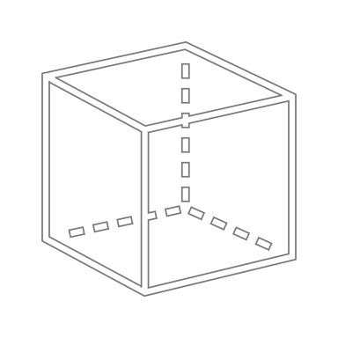
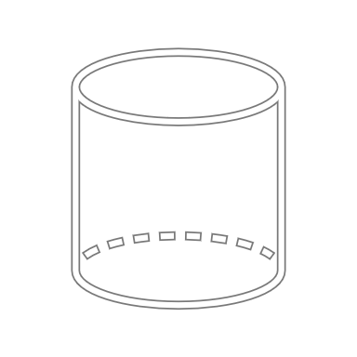
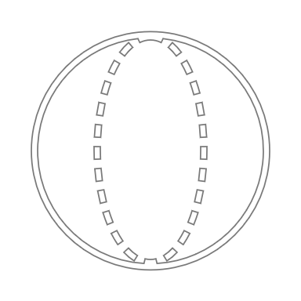
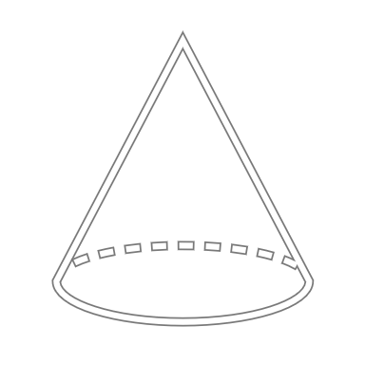
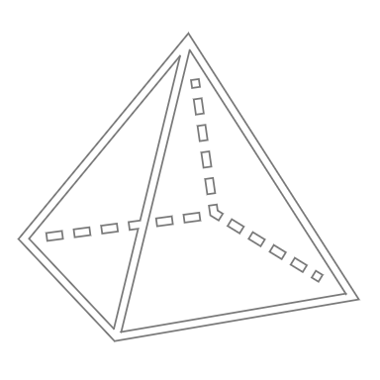
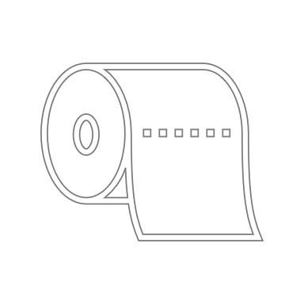
x
z
y
Quader
z
Ø außen
Zylinder
z
Ø außen
Ø innen
Hohlzylinder
z ist immer in Werkzeugöffnungs-
richtung zu wählen
Ø außen
Kugel
z
Ø außen
Kegel
z
Pyramide
x
y
x
y
t
Blech
 | 1 | 2 | 3 | 4 | 5 | 6 | 7 | 8 | 9 | 10 | 11 | 12 | 13 | 14 | 15 | 16 | 17
 |  |  |  |  | Dimensions in mm
 | Part | Shape | Material | Density in kg/dm³ | x | y | z | t | Ø outer | Ø inner | Correction factor | Surface area in mm² | Proj. area in mm² | Volume in mm³ | Mass in g | Mass in kg | Notes
 | Bauteil | Form | Material | Dichte | x | y | z | t | Ø außen | Ø innen | Faktor | Oberfläche | Proj. Fläche | Volumen | Masse in g | Masse | Anmerkungen
 |  |  |  | [Input] | 0 | 0 | 0 | 0 | 0 | 0 | 100% | 0 | 0 | 0 | 0 | 0.00
 |  |  | 0 | [Input] | 0 | 0 | 0 | 0 | 0 | 0 | 100% | 0 | 0 | 0 | 0 | 0.00
 |  |  | 0 | [Input] | 0 | 0 | 0 | 0 | 0 | 0 | 100% | 0 | 0 | 0 | 0 | 0.00
 |  |  | 0 | [Input] | 0 | 0 | 0 | 0 | 0 | 0 | 100% | 0 | 0 | 0 | 0 | 0.00

 | Label Rolle | 967.74 | mm² | 0.000014222 | €
 |  | 1 | mm² | 1.47E-08 | €

Main | Label Electrolux (20 x 15) mm | 300 | mm² | 4.41E-06 | €
Main | Label QR (7 x 7) mm | 49 | mm² | 7.20E-07 | €
UI | Label QR (5 x 5) mm | 25 | mm² | 3.67E-07 | €
UI | Label (20 x 5) mm | 100 | mm² | 1.47E-06 | €
Middle | Label (25 x 4) mm | 100 | mm² | 1.47E-06 | €
Upper | Label (22 x 13) mm | 286 | mm² | 4.20E-06 | €

